Sheet1
PRODUCTION ORDER
NAME COMPANY: |  |  |  | NAME PRODUCER:
DATE |  |  | PRODUCTION ORDER:
SEASON | AW17-18 |  | DELIVERY DATE:
ARTICLE | AW17SH_001/WHITE
DESCRIPTION | shirt
COMPOSITION | 100 % COTTON

SIZE | XS | S | M | L | XL | XXL | TOTAL
TO PRODUCE | 5 | 7 | 12 | 7 | 5 | 3 | 39

 | MATERIAL LIST:
 | REFERENCE CODE: | DESCRIPTION: |  | DYE BATH: | UNIT: | NEEDED: | TOTAL NEEDED:
1 | AW17-C001-010 | POPELINE WHITE |  |  | MTR | 1.65 | 64.35
2 | AW17-I001-010 | VLIESELINE WHITE |  |  | MTR | 0.2 | 7.80
3 | AW17-B118-010 | SHIRT BUTTON 18 LINES |  |  | PCS | 12 | 468.00
4 | NOS-LA001-099 | BRAND LABEL |  |  | PCS | 1 | 39.00
5 | NOS-HA001-099 | BRAND HANGTAG |  |  | PCS | 1 | 39.00
6 | NOS-SHA001-099 | HANGER |  |  | PCS | 1 | 39.00
7 | NOS-PO001-099 | POLYBAG |  |  | PCS | 1 | 39.00
8 | NOS-ST001-000 | STICKER |  |  | PCS | 1 | 39.00
9 |  |  |  |  |  |  | 0.00

ADDITIONAL COMMENTS:
HANGTAG SHOULD BE ON THE FIRST BUTTON
SHIRT HAS TO BE WASHED AFTER PRODUCTION TO HAVE A WASHED LOOK
PLEASE SEND US DIFFERENT SWATCHES OF WASHINGS

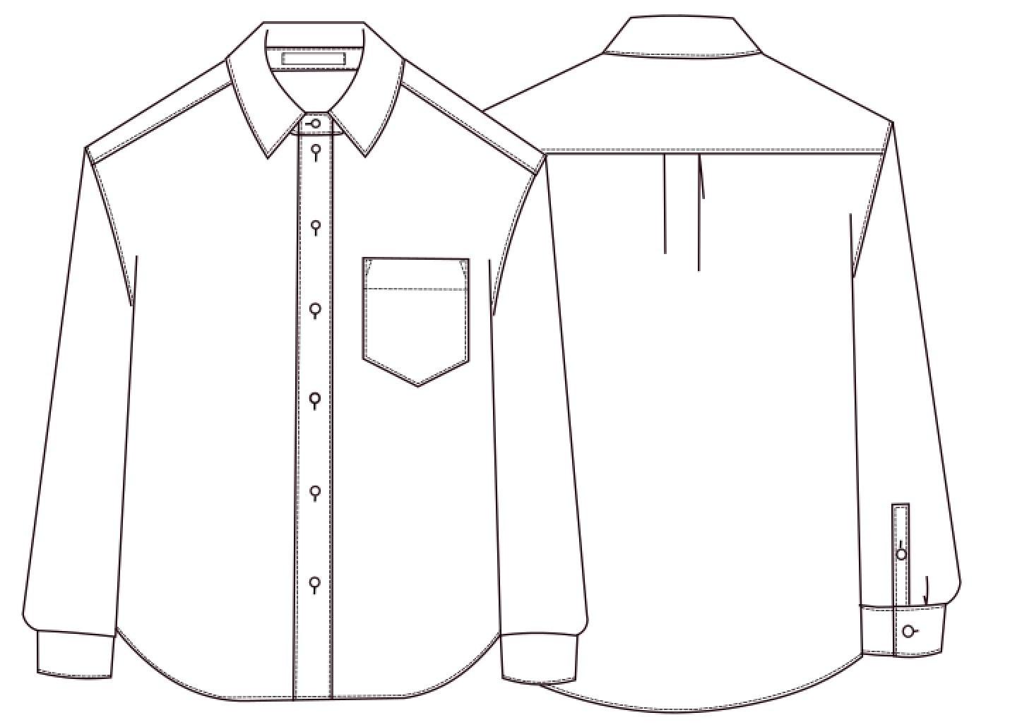 shirt |  |  |  | AW17-C001-010

 |  |  |  | SUPPLIERS INFORMATION - XXX + REFERENCE CODE

