Sheet1
13
SPECIFICATION SHEET + MEASUREMENT TABLE
NAME COMPANY: |  |  |  | NAME PRODUCER:
DATE |  |  | 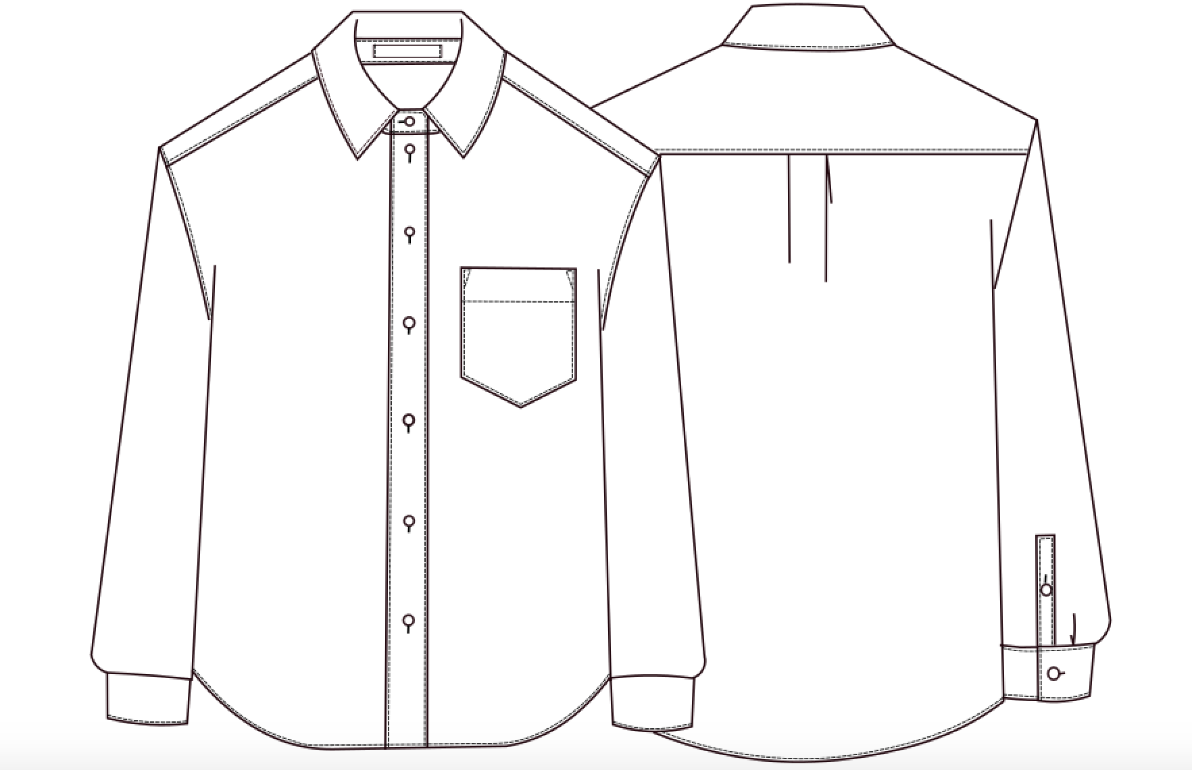 AW17SH_001/WHITE
8
SEASON |  | AW17-18
1
14
ARTICLE |  | AW17SH_001/WHITE
DESCRIPTION |  | shirt
2
6
10
7
9
15
5
MATERIAL LIST
REFERENCE CODE |  | NEEDED
1 | AW17-C001-010/ POPELINE WHITE | 1.65
4
12
2 | AW17-I001-010/VLIESELINE WHITE | 0.2
11
3 | AW17-B118-010/SHIRT BUTTON 18 LINES | 12
4 |  | 1
5 |  | 1

 | MEASUREMENT TABEL
 | DESCRIPTION | XS | S = sample size | M | L | XL | XXL
1 | SHOULDER TO SHOULDER
2 | CHEST WIDTH FRONT
3 | WAIST
4 | HEM WIDTH
 | FRONT PLACKET WIDTH
5 | TOTAL LENGTH FROM SHOULDER NECKPOINT TO HEM FRONT
6 | POCKET WIDTH
7 | POCKET HEIGHT
8 | SCHOULDER LENGTH
9 | TOTAL SLEEVE LENGTH
10 | UPPER SLEEVE WIDTH
11 | CUFF WIDTH
12 | CUFF HEIGHT
13 | NECK WIDTH
14 | BACK YOKE HEIGHT
 | SLEEVE PLACKET HEIGHT
 | SLEEVE PLACKET WIDTH
15 | BACK LENGTH

